3_GoodWe_GW4000-DT
Pacr | 4000 | W | Rated AC power (Pacr at cos phi = 1)
Pdcr | 5200 | W | Rated DC input power
PMppBIncMax | xxxx.x | W | Maximum balanced DC input power per MPPT
Vdcr | 620 | V | Rated DC input voltage dc-voltage level at which the rated AC power is achieved
n_mppt | 2 |  | Number of independent MPPT input
MpptType | Bal./Unbal. |  | MPPT type with or without unbalancing option
PmppUnbMax | xxxx.x | W | Maximum unbalanced DC input for each MPPT
Imppymax | 11 | A | Maximum DC input current for each MPPT
Iscmax | 13.8 | A | Maximum DC short circuit current for each MPPT
P_s0 | xx.x | W | Feed in power threshold
Pidle | x.x | W | Idle power consumption
Vdcmin | 200 | V | Minimum operating DC input voltage
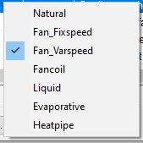
Vdcmax | 800 | V | Maximum mppt DC input voltage
Vdcmaxabs | 1000 | V | Absolute maximum DC input voltage
VdcMinMpp | 180 | V | Minimum DC input voltage for MPPT functionality
cooling | NATURAL |  | Cooling method | => | => | =>
InvArea | x.x | m2 | Effective surface area of inverter for cooling
Htcoef_Nat | xx.x | W/(m2.K) | Natural convection heat transfer coefficient
InvCp | xxxx.x | J/(kg.K) | Specific heat capacity of inverter
InvMass | 24 | kg | Total mass of inverter
VltgVect [1:3] | {xxx.x xxx.x xxx.x} |  | Voltages for the inverter efficiency curves
nPLRDim | x | items | Dimensions for PLR vector (Integer)
PLRVect[1:8] | {x.x x.x x.x x.x x.x x.x x.x x.x} | % | Part loads for efficieny points (nrmz)
etaPRL[1:3, 1:8] | {{0.798 0.865 0.908 0.919 0.928 0.943 0.949 0.95}{0.851 0.916 0.953 0.96 0.965 0.975 0.978 0.98}{0.808 0.877 0.93 0.942 0.951 0.965 0.972 0.974}} | % | Inverter efficiency described as curves depending on voltage and part load
Eta_Max | 0.98 | % | Maximum efficiency
Eta_Euro | 0.975 | % | Weighted efficiency EURO
Eta_CEC | 0.xx | % | Weighted efficiency CEC
Sandia_Coef[1:4] | {0.0 0.0 0.0 0.0} |  | Coef C0, C1, C2, C3 for Sandia inverter model
nTempDim | x | items | Dimension for ambient temperature vector (Integer)
TempVect[1:2] | {0.0 x0.0} |  | Temperature vector (degC)
kEtaDerate[1:3, 1:2] | {{1.0 1.0}{1.0 1.0}{1.0 1.0}} | % | The derate factor for efficieny at full load depending on operating temperature and dc input voltage

8_SolarEdge4k
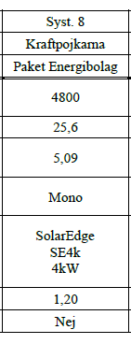
Pacr | 3000 | W | Rated AC power (Pacr at cos phi = 1)
Pdcr | 6000 | W | Rated DC input power
PMppBIncMax | 4650 | W | Maximum balanced DC input power per MPPT
Vdcr | 380 | V | Rated DC input voltage dc-voltage level at which the rated AC power is achieved
n_mppt | 2 |  | Number of independent MPPT input
MpptType | Balanced |  | MPPT type with or without unbalancing option
PmppUnbMax | xxxx.x | W | Maximum unbalanced DC input for each MPPT
Imppymax | 9 | A | Maximum DC input current for each MPPT
Iscmax | xx | A | Maximum DC short circuit current for each MPPT
P_s0 | xx.x | W | Feed in power threshold
Pidle | 2.5 | W | Idle power consumption
Vdcmin | 96 | V | Minimum operating DC input voltage
Vdcmax | 480 | V | Maximum mppt DC input voltage
Vdcmaxabs | xxxx.x | V | Absolute maximum DC input voltage
VdcMinMpp | 96 | V | Minimum DC input voltage for MPPT functionality
cooling | Fan-varspeed |  | Cooling method | => | => | =>
InvArea | x.x | m2 | Effective surface area of inverter for cooling
Htcoef_Nat | xx.x | W/(m2.K) | Natural convection heat transfer coefficient
InvCp | xxxx.x | J/(kg.K) | Specific heat capacity of inverter
InvMass | 33.2 | kg | Total mass of inverter
VltgVect [1:3] | {xxx.x xxx.x xxx.x} |  | Voltages for the inverter efficiency curves
nPLRDim | x | items | Dimensions for PLR vector (Integer)
PLRVect[1:8] | {x.x x.x x.x x.x x.x x.x x.x x.x} | % | Part loads for efficieny points (nrmz)
etaPRL[1:3, 1:8] | {{0.798 0.865 0.908 0.919 0.928 0.943 0.949 0.95}{0.851 0.916 0.953 0.96 0.965 0.975 0.978 0.98}{0.808 0.877 0.93 0.942 0.951 0.965 0.972 0.974}} | % | Inverter efficiency described as curves depending on voltage and part load
Eta_Max | 0.98 | % | Maximum efficiency
Eta_Euro | 0.973 | % | Weighted efficiency EURO
Eta_CEC | 0.xx | % | Weighted efficiency CEC
Sandia_Coef[1:4] | {0.0 0.0 0.0 0.0} |  | Coef C0, C1, C2, C3 for Sandia inverter model
nTempDim | x | items | Dimension for ambient temperature vector (Integer)
TempVect[1:2] | {0.0 x0.0} |  | Temperature vector (degC)
kEtaDerate[1:3, 1:2] | {{1.0 1.0}{1.0 1.0}{1.0 1.0}} | % | The derate factor for efficieny at full load depending on operating temperature and dc input voltage

8_Opt_P405
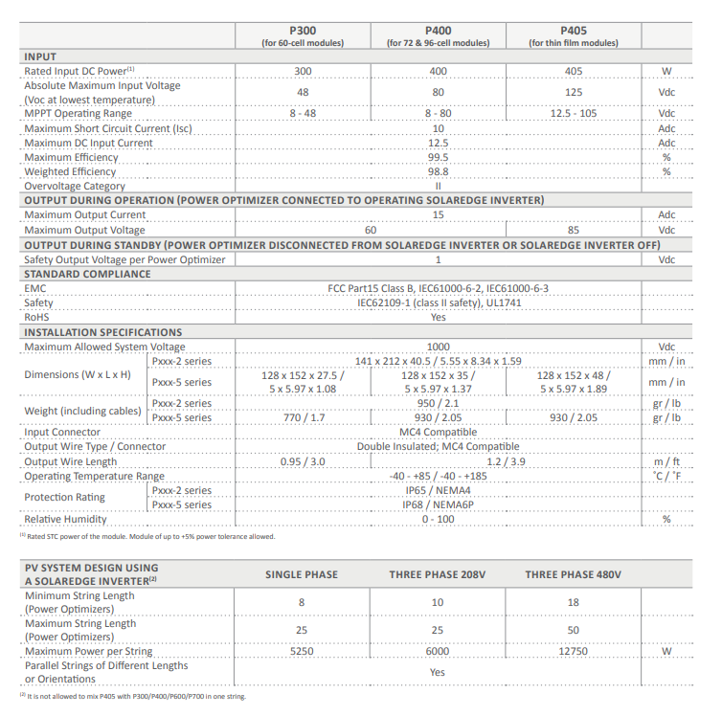
Name | Value | Unit | Description
PdcrOut | 405 | W | Rated output DC power from DCDC converter [W]
PdrcIn | 405 | W | Rated input DC power to DCDC converter [W]
Vdcmin | 12.5 | V | Minimum voltage inlet to DCDC converter[V]
Vdcmax | 125 | V | Maximum volatge inlet to DCDC converter[V]
VdcMPPmin | 12.5 | V | Minimum volatge inlet (for the functionality of MPPT) to DCDC converter[V]
VdcMPPmax | 105 | V | Maximum volatge inlet (for the functionality of MPPT) to DCDC converter[V]
ImaxIn | 12.5 | A | Maximum DC input current for dcdc optimizer[A]
ImaxOut | 15 | A | Maximum DC output current for dcdc optimizer[A]
P_s0 | 0.2 | W | Feed in power threshold[W]
BoostRatioDim | 3 | items | Dimension for the DC Boost ratio Level for efficiency interpolation[Integer]
BoostRatioV[1:3] | {100.0 111.0 143.0} |  | Vector of boost ratio for eff calculation of DCDC converter[%]
nPLRDim | 7 | items | dimension for the chosen DC input power for efficiency interpolation[Integer]
PLRVect[1:7] | {2.0 50.0 125.0 200.0 250.0 300.0 375.0} | W | Power inlet vector for eff calculation of DC-DC optimizer[W]
etaPRL[1:3, 1:7] | {{90.0 99.23 99.36 99.66 99.68 99.68 99.66} {85.0 96.65 97.63 98.42 98.02 98.68 98.48} {80.0 96.8 96.64 97.73 96.57 97.79 97.85}} |  | efficiency described as curves depending on BoostRatio and load[V]
eta_max | 0.995 | % | Maximum efficiency [%]
eta_EURO | 0.988 | % | Weighted efficiency EURO [%]
eta_CEC | 0.988 | % | Weighted efficiency CEC [%]
VoutClipping | FALSE |  | Threshold voltage for outlet voltage clipping[V]

9_Huawei
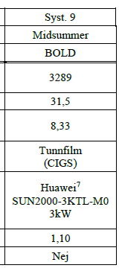
Pacr | 3000 | W | Rated AC power (Pacr at cos phi = 1)
Pdcr | 4500 | W | Rated DC input power
PMppBIncMax | xxxx.x | W | Maximum balanced DC input power per MPPT
Vdcr | 600 | V | Rated DC input voltage dc-voltage level at which the rated AC power is achieved
n_mppt | 2 |  | Number of independent MPPT input
MpptType | Bal./Unbal. |  | MPPT type with or without unbalancing option
PmppUnbMax | xxxx.x | W | Maximum unbalanced DC input for each MPPT
Imppymax | 11 | A | Maximum DC input current for each MPPT
Iscmax | 15 | A | Maximum DC short circuit current for each MPPT
P_s0 | xx.x | W | Feed in power threshold
Pidle | 5.5 | W | Idle power consumption
Vdcmin | 140 | V | Minimum operating DC input voltage
Vdcmax | 980 | V | Maximum mppt DC input voltage
Vdcmaxabs | 1100 | V | Absolute maximum DC input voltage
VdcMinMpp | 140 | V | Minimum DC input voltage for MPPT functionality
cooling | natural |  | Cooling method | => | => | =>
InvArea | x.x | m2 | Effective surface area of inverter for cooling
Htcoef_Nat | xx.x | W/(m2.K) | Natural convection heat transfer coefficient
InvCp | xxxx.x | J/(kg.K) | Specific heat capacity of inverter
InvMass | 17 | kg | Total mass of inverter
VltgVect [1:3] | {xxx.x xxx.x xxx.x} |  | Voltages for the inverter efficiency curves
nPLRDim | x | items | Dimensions for PLR vector (Integer)
PLRVect[1:8] | {x.x x.x x.x x.x x.x x.x x.x x.x} | % | Part loads for efficieny points (nrmz)
etaPRL[1:3, 1:8] | {{0.798 0.865 0.908 0.919 0.928 0.943 0.949 0.95}{0.851 0.916 0.953 0.96 0.965 0.975 0.978 0.98}{0.808 0.877 0.93 0.942 0.951 0.965 0.972 0.974}} | % | Inverter efficiency described as curves depending on voltage and part load
Eta_Max | 0.982 | % | Maximum efficiency
Eta_Euro | 0.967 | % | Weighted efficiency EURO
Eta_CEC | 0.xx | % | Weighted efficiency CEC
Sandia_Coef[1:4] | {0.0 0.0 0.0 0.0} |  | Coef C0, C1, C2, C3 for Sandia inverter model
nTempDim | x | items | Dimension for ambient temperature vector (Integer)
TempVect[1:2] | {0.0 x0.0} |  | Temperature vector (degC)
kEtaDerate[1:3, 1:2] | {{1.0 1.0}{1.0 1.0}{1.0 1.0}} | % | The derate factor for efficieny at full load depending on operating temperature and dc input voltage

